BOM Overview
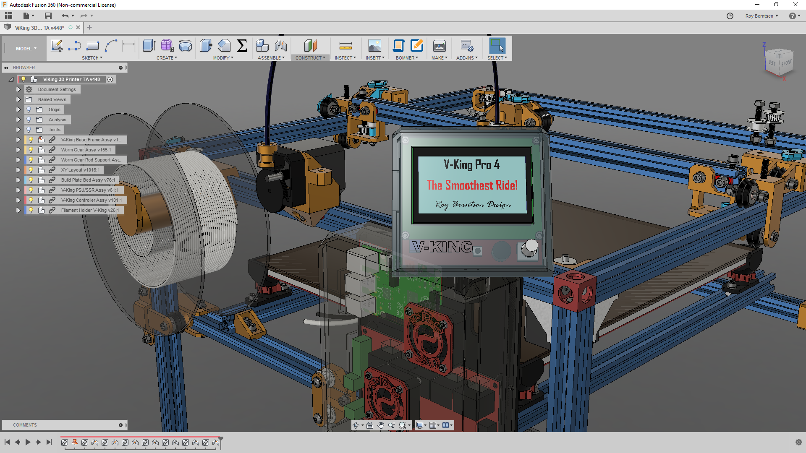
V-King Build Price Estimate
340x390x340 Build Volume
https://www.facebook.com/vking3d/

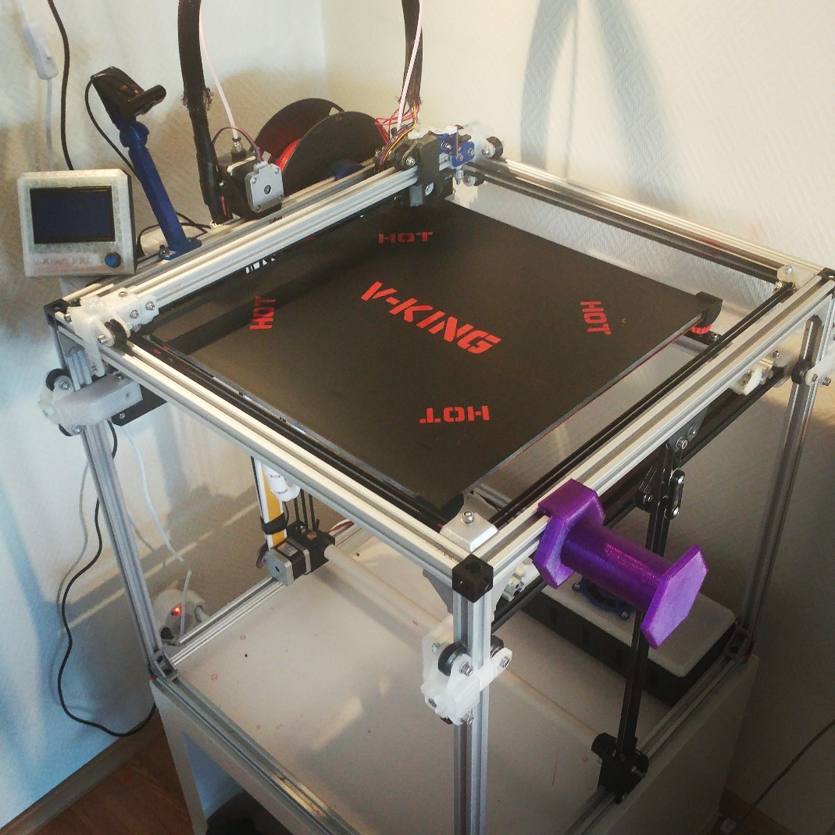
V-Slots and Wheels Standard Price: | EUR 173
Components Example Price: | EUR 308
Fastners Estimated Retail Price: | EUR 76

Sub Total Example Price | EUR 557

If you like to support - Buy me a coffe here:
https://www.buymeacoffee.com/pro3d
Research - Development & Design by:
Roy Berntsen

V-Slots and Wheels List
If you like to support - Buy me a coffe here:
https://www.buymeacoffee.com/pro3d

Part Name | Description | Link to shop | Quantity | Unit Price | Bulk Price
Hardware
2020 V-Slot 500 | 500mm V-Slot | Kit Link | 12 | EUR 80.0 | EUR 80.0
3 Way V-Slot Corner | 3 Way Corner Bracket |  | 8

2020 V-Slot 500 | 500mm V-Slot | Link | 4 | EUR 5.0 | EUR 20.0
2020 V-Slot 480 | 480mm V Slot | Link | 1 | EUR 5.0 | EUR 5.0

Wheels
Xtreme Solid V Wheel Kit | V-Slot Big Wheels - XY wheels | Link | 9 | EUR 3.5 | EUR 31.50
Solid V Wheel Kit | V-Slot Big Wheels - Z wheels | Link | 12 | EUR 3.0 | EUR 36.0
Ratrig Retail Shop Price |  |  |  |  | EUR 172.5

Research, Development & Design by
Roy Berntsen

Component Part List
If you like to support - Buy me a coffe here:
https://www.buymeacoffee.com/pro3d
 | V-King - Component Parts to Buy
 | Click link to product supplier

Category | Part Name | Description | Order Quantity | Bulk Est. Price
Worm Gear | Worm Gear | 1:20 Worm Gear Set | 1 | 15.00
Worm Gear | Worm Gear Rod | 5mm X 565mm Steel rod | 1 | 10.00
Worm Gear | Ball Bearing 5-16-5 | Worm Gear Bearings | 10 | 4.00
Timing Parts | GT2 Idler Pulley 20T | Thoothed Idler Pulley | 10 | 15.00
Timing Parts | GT2 Idler Pulley 20NT | Smooth Pulley | 10 | 15.00
Timing Parts | GT2 Motor Pulley 20T | Thoothed Motor Pulley | 10 | 10.00
Timing Parts | GT2 Timing Belt | Reinforced Timing Belt | 10 | 10.00
Hardware | Build Plate | 350x400x6mm Aluminum | 1 | 30.00
Hardware | 2028 Corner Bracket | Corner Joint Brackets | 20 | 7.00
Component | 350*400 Silicone Heatpad | Ask for 750-1000W | 1 | 25.00
Component | Solid State Relay | SSR 40A | 1 | 4.00
Component | Optical Sensor | Optical Endstop Sensor | 6 | 3.00
Component | Nema 17 Stepper Motor | Nema 17 Stepper motor | 5 | 40.00
Component | J-Head/E3d Hotend | e3d Type Hotend | 1 | 10.00 | Add Price
Component | Filament Extruder | Titan Type Extruder | 1 | 20.00 | Add Price
Component | BL Touch Probe | Autobed Leveling Probe | 1 | 20.00 | Add Price
Controller | MKS Gen L V1.0 | Ramps Controller | 1 | 20.00
Controller | DRV 8825 | Stepper Drivers | 5 | 10.00
Controller | 12864 LCD | LCD Controller Panel | 1 | 10.00
Controller | 24V Power Supply | 240W 24V PSU | 1 | 20.00
Component | Layer Fan | Fan for filament cooling | 1 | 10.00
Estimated Component Retail Price |  |  |  | 308.00

Research, Development & Design by
Roy Berntsen

Fasteners List
 | List of Fasteners to buy at any hardware supplier
If you like to support - Buy me a coffe here:
https://www.buymeacoffee.com/pro3d

 | Research, Development & Design by
 | Roy Berntsen
Fasteners | Type | Order Quantity | Est. Unit Price | Est. Bulk Price
M3 Lock Nut | Nylon Lock Nut M3 | 10 | 0.1 | 1
M3 NUT | Hex Nut - M3 | 10 | 0.1 | 1
M3 WASHER | Washer Simple M3 | 20 | 0.1 | 2
M3x10 | DIN 912 | 10 | 0.1 | 1
M3X25 | DIN 912 | 10 | 0.1 | 1
M3x8 | DIN 912 | 20 | 0.1 | 2
M4 Hex NUT | Hex Nut - M4 | 10 | 0.1 | 1
M4 WASHER | Washer Simple M4 | 10 | 0.1 | 1
M4x16 | DIN 912 | 10 | 0.1 | 1
M4x20 | DIN 912 | 10 | 0.1 | 1
M5 8OD Shim | Mini Precision Shim - 8x5x1mm | 75 | 0.1 | 7.5
M5 Nut | Standard Nut M5 | 20 | 0.1 | 2
M5 Nut lock | Hex Locking Nut - m5 | 40 | 0.1 | 4
M5 T-Nut Hammer | Drop In type Hammer Nut | 50 | 0.1 | 5
M5 T-Nut Open Builds | OpenBuilds Tee Nut M5 | 25 | 0.1 | 2.5
M5 T-Nut Square | T-Nut Sqare M5 | 75 | 0.1 | 7.5
M5 WASHER | Washer Simple M5 | 150 | 0.1 | 15
M5x10 | DIN 912 | 100 | 0.1 | 10
M5x12 | DIN 912 | 10 | 0.1 | 1
M5x20 Hex | Hex Head | 20 | 0.1 | 2
M5X25 | DIN 912 | 10 | 0.1 | 1
M5x30 | DIN 912 | 20 | 0.1 | 2
M5x35 | DIN 912 | 10 | 0.1 | 1
M5x35 HEX | Hex Head | 10 | 0.1 | 1
M5x8 Countersink | Countersink Screw | 25 | 0.1 | 2.5
Estimated fastener price in total: |  |  |  | 76

Bundle Order List
 | V-King Bundle List - Send this list to info@ratrig.com to order
 | Estamated price for the bundle - 250 EUR - Ask for price confirmation
If you like to support - Buy me a coffe here:
https://www.buymeacoffee.com/pro3d

 | Mailto: | info@ratrig.com
Part Name | Part Number | Description | Order Quantity | Type
Hardware
2020 V-Slot 500 |  | 500mm V-Slot | 16 | Hardware | Standard
2020 V-Slot 480 |  | 480mm V Slot | 1 | Hardware | Standard
3 Way V-Slot Corner | HW1113BC | 3 Way Corner Bracket | 8 | Hardware | Standard
2028 L Bracket | HW1303BC | 28mm X 20mm corner bracket | 16 | Hardware | Standard
Wheels
Xtreme Solid V Wheel Kit | HW1212WK | V-Slot Big Wheels - Extreme | 9 | Hardware | Standard
Solid V Wheel Kit |  | V-Slot Big Wheels - Standard | 12 | Hardware | Standard
Mechatronical components
Nema 17 Stepper Motor | HW1078EC | Nema 17 Stepper motor | 4 | Components | Standard
Timing Belt GT2 6mm | HW1037GC | Meter Timing belt for XYZ | 10 | Components | Standard
Timing Motor GT2 Pulley 20T | HW1035WC | Motor Timing Pulleys | 4 | Components | Standard
Fastners and Bearings |  | Type
M3 Lock Nut | HW1251NC | Nylon Lock Nut M3 | 10 | Fasteners | Standard
M3 NUT | HW1508NC | Hex Nut - M3 | 10 | Fasteners | Standard
M3 WASHER | HW1373NC | Washer Simple M3 | 20 | Fasteners | Standard
M3x10 | HW1505SC | DIN 912 | 10 | Fasteners | Standard
M3X25 |  | DIN 912 | 10 | Fasteners | Standard
M3x8 | HW1502SC | DIN 912 | 20 | Fasteners | Standard
M4 Hex NUT | HW1561NC | Hex Nut - M4 | 10 | Fasteners | Standard
M4 WASHER |  | Washer Simple M4 | 10 | Fasteners | Standard
M4x16 |  | DIN 912 | 10 | Fasteners | Standard
M4x20 |  | DIN 912 | 10 | Fasteners | Standard
M5 8OD Shim | HW1074NC | Mini Precision Shim - 8x5x1mm | 75 | Fasteners | Standard
M5 Nut |  | Standard Nut M5 | 20 | Fasteners | Standard
M5 Nut lock | HW1039NC | Hex Locking Nut - m5 | 40 | Fasteners | Standard
M5 T-Nut Hammer | HW1111NC | Drop In type Hammer Nut | 50 | Fasteners | Standard
M5 T-Nut Open Builds |  | OpenBuilds Tee Nut M5 | 25 | Fasteners | Standard
M5 T-Nut Square |  | T-Nut Sqare M5 | 75 | Fasteners | Standard
M5 WASHER | HW1315NC | Washer Simple M5 | 150 | Fasteners | Standard
M5x10 | HW1285SC | DIN 912 | 100 | Fasteners | Standard
M5x12 |  | DIN 912 | 10 | Fasteners | Standard
M5x20 Hex |  | Hex Head | 20 | Fasteners | Standard
M5X25 |  | DIN 912 | 10 | Fasteners | Standard
M5x30 |  | DIN 912 | 20 | Fasteners | Standard
M5x35 |  | DIN 912 | 10 | Fasteners | Standard
M5x35 HEX |  | Hex Head | 10 | Fasteners | Standard
M5x8 Countersink |  | Countersink Screw | 25 | Fasteners | Standard
Ball Bearing 5-16-5 | HW1209WC | Ball Bearing - 625 ZZ | 6 | Bearings | Standard
Controller components
24V Power Supply | HW1351EC | 110/220VAC - 24V PSU 240W Min | 1 | Components | Option
Research, Development & Design by |  | Roy Berntsen

